Leadtime add-on
Leadtime Add-on Summary

Shipment Type | Leadtime Add-on (Days) | Key Processes
Small Shipments (Air) | 3 | Components checking & MO creation → Picking/Releasing → Production → Packing
Small Shipments (LCL) | 5 | Components checking & MO creation → Picking/Releasing → Production → Packing
Containerized Shipments (20ft / 40ft / 40HC) | 8 | Components checking & MO creation → Picking/Releasing → Production → Loading

Note:
Production duration remains capacity dependent and may vary depending on workload and available manpower.

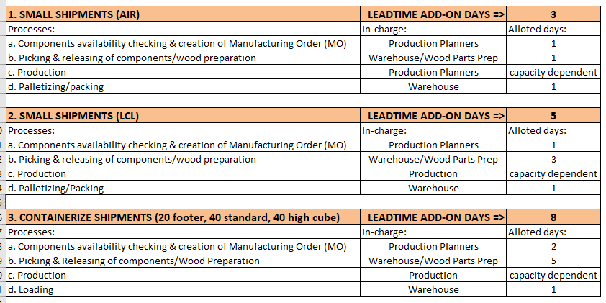

 |  | 2

 |  | 4

 |  | 7

